Admin_Evidance
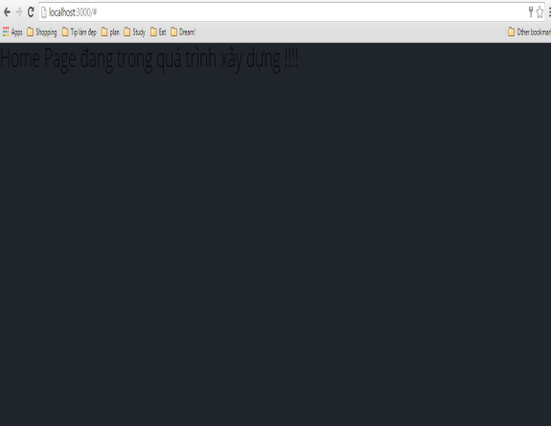

DF01
 | Defect Description
 |  | Admin can't logout
 | Step to perform
 |  | Step 1: | Admin login
 |  | Step2: | Click "Logout" button

 | Actual | Login screen display

 | Expected | Admin can't logout from system

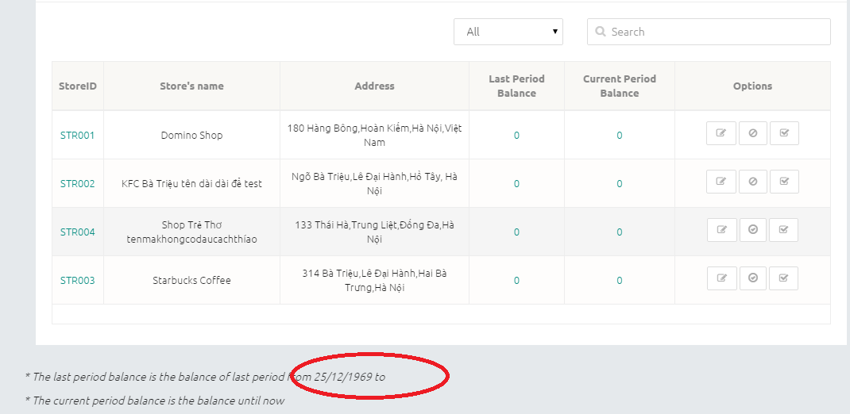
DF02
 | Defect Description
 |  | The "About" description at the end of the page
 | Step to perform
 |  | Step 1: | Admin login

 | Actual
 |  | The last period balance is the balance of last period from 05/12/2015 to 07/12/2015
 | Expected
 |  | The last period balance is the balance of last period from 25/12/1969 to

DF05
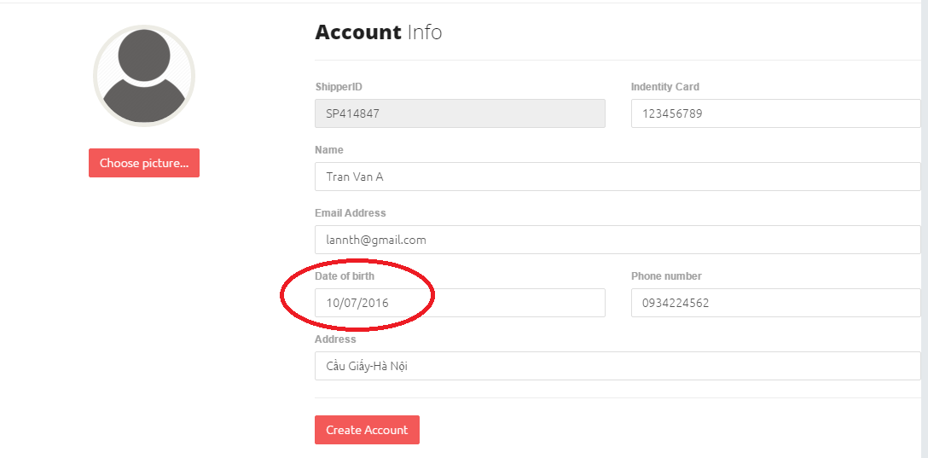
 | Defect Description
 |  | User can add unreal birthday
 | Step to perform
 |  | Step 1: | Admin login
 |  | Step 2: | Clicks "Add shipper" button

 | Actual
 |  | User can add valid birthday
 | Expected
 |  | See image

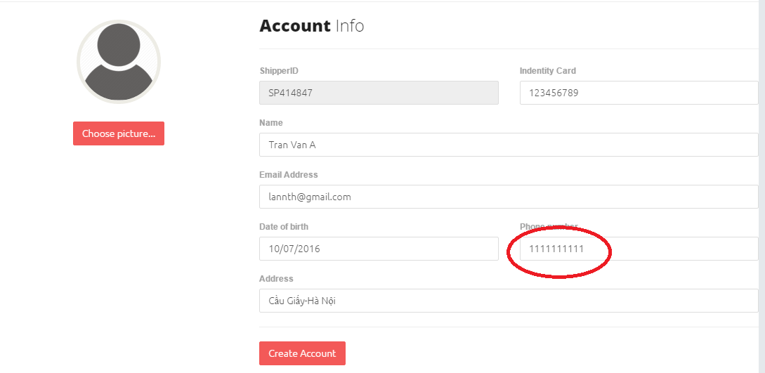
DF06

 | Defect Description
 |  | User can add unreal phonenumber
 | Step to perform
 |  | Step 1: | Admin login
 |  | Step 2: | Clicks "Add shipper" button

 | Actual
 |  | User can add valid phonenumber
 | Expected
 |  | See image

Store__Evidance
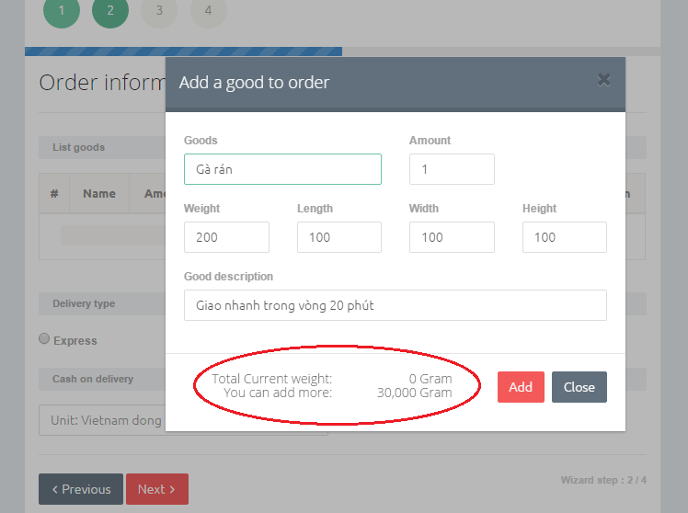
DF03

 | Defect Description
 |  |  | At step 2, total current weight must calculate before clicks "Add" button
 | Step to perform
 |  | Step 1: | Admin login
 |  | Step 2: | Clicks "Make an order" button

 | Actual
 |  | Total weight được tính trước khi click "Add" button
 | Expected
 |  | See image

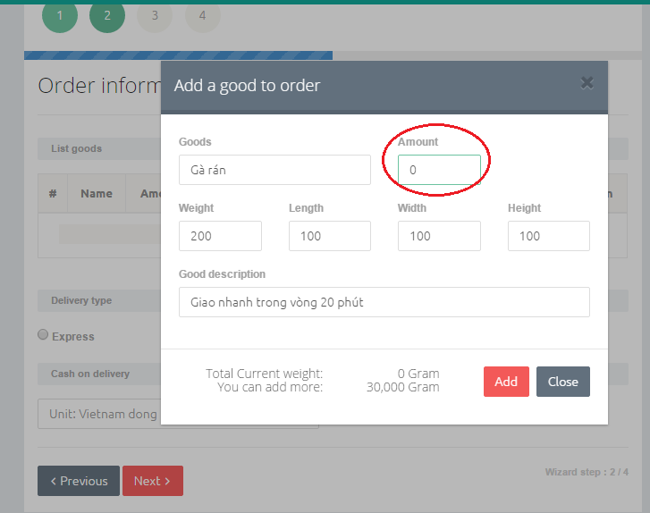
DF4

 | Defect Description
 |  |  | Amount equal 0
 | Step to perform
 |  | Step 1: | Admin login
 |  | Step 2: | Clicks "Make an order" button

 | Actual
 |  | Amount is equal to or greater than 0
 | Expected
 |  | See image

